Sheet1
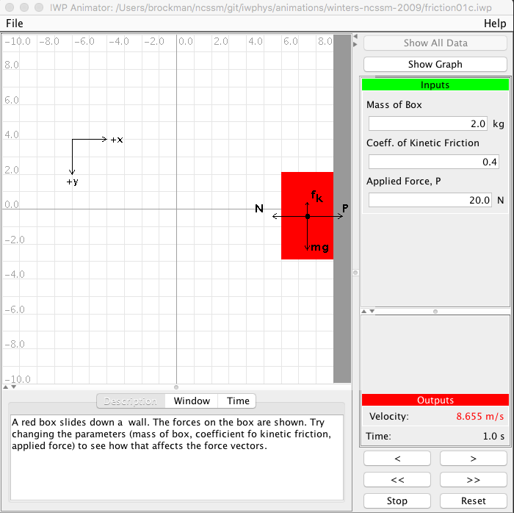
friction01c.iwp | IWP4 | IWP5
t | Velocity | Velocity
0 | 3 | 3.345
0.05 | 3.145 | 3.345
0.1 | 3.435 | 4.035
0.15 | 3.725 | 4.725
0.2 | 4.015 | 5.415
0.25 | 4.305 | 6.105
0.3 | 4.595 | 6.795
0.35 | 4.885 | 7.485
0.4 | 5.175 | 8.175
0.45 | 5.465 | 8.865
0.5 | 5.755 | 9.555
0.55 | 6.045 | 10.245
0.6 | 6.335 | 10.935
0.65 | 6.625 | 11.625
0.7 | 6.915 | 12.315
0.75 | 7.205 | 13.005
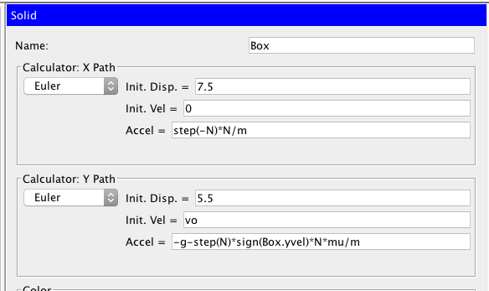
0.8 | 7.495 | 13.695
0.85 | 7.785 | 14.385
0.9 | 8.075 | 15.075
0.95 | 8.365 | 15.765
1 | 8.655 | 16.455

